KSA CAFE Standard Values
KSA CAFE Standard
Passenger LDV Calcs
 | FE | a | b | c | d | footprint | calculated FE
2016 | 14.2 | 15.28393 | 11.88277 | 0.013439 | 0.014247 | 4.180038337 | 14.2
2017 | 14.5 | 15.6453 | 12.0996 | 0.013439 | 0.014247 | 4.0716211951 | 14.5
2018 | 14.9 | 16.04919 | 12.34193 | 0.013439 | 0.011114 | 4.1669837011 | 14.9
2019 | 16.7 | 17.46917 | 13.16246 | 0.013439 | 0.006052 | 4.0053753643 | 16.7
2020 | 17 | 18.54053 | 13.88095 | 0.012991 | 0.00446 | 4.1847070596 | 17
2021 | 17.6 | 19.22076041 | 14.3868713 | 0.01254286 | 0.0042577 | 4.1847070596 | 17.622420154
2022 | 18.3 | 19.926499545 | 14.90979836 | 0.012109911 | 0.004067162 | 4.1847070596 | 18.266978152
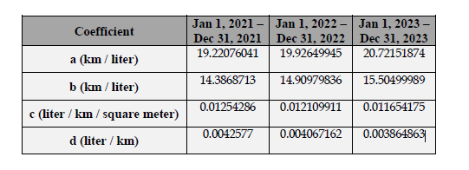
2023 | 19.0 | 20.72151874 | 15.50499989 | 0.011654175 | 0.003864863 | 4.1847070596 | 18.999064172

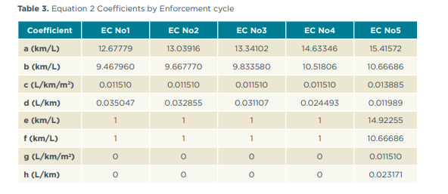
Freight LDV Calcs

 | FE | a | b | c | d | e | f | g | h | footprint | calculated FE | footprint1 | footprint2
2016 | 11.4 | 12.67779 | 9.46796 | 0.01151 | 0.035047 | 1 | 1 | 0 | 0 | 4.5762205252 | 11.4 | 4.5762205252 | #DIV/0!
2017 | 11.7 | 13.03916 | 9.66777 | 0.01151 | 0.032855 | 1 | 1 | 0 | 0 | 4.5712498236 | 11.7 | 4.5712498236 | #DIV/0!
2018 | 11.9 | 13.34102 | 9.83358 | 0.01151 | 0.031107 | 1 | 1 | 0 | 0 | 4.5983156773 | 11.9 | 4.5983156773 | #DIV/0!
2019 | 13 | 14.63346 | 10.51806 | 0.01151 | 0.024493 | 1 | 1 | 0 | 0 | 4.555176101 | 13 | 4.555176101 | #DIV/0!
2020 | 13.2 | 15.41572 | 10.66686 | 0.013885 | 0.011989 | 14.92255 | 10.66686 | 0.01151 | 0.023171 | 4.5926233891 | 13.2 | 4.5926233891 | 3.6227496232
2021 | 13.6 | 15.88337836 | 10.71362583 | 0.013565979 | 0.01128335 | 15.01183021 | 10.71362583 | 0.01151 | 0.022773487 | 4.5926233891 | 13.589396991
2022 | 13.9 | 16.22349352 | 10.73488302 | 0.013330511 | 0.010874072 | 15.0543446 | 10.73488302 | 0.01151 | 0.022587668 | 4.5926233891 | 13.870377982
2023 | 14.2 | 16.62738029 | 10.7388302 | 0.013014023 | 0.010570643 | 15.053446 | 10.73488302 | 0.01151 | 0.022587668 | 4.5926233891 | 14.216833844

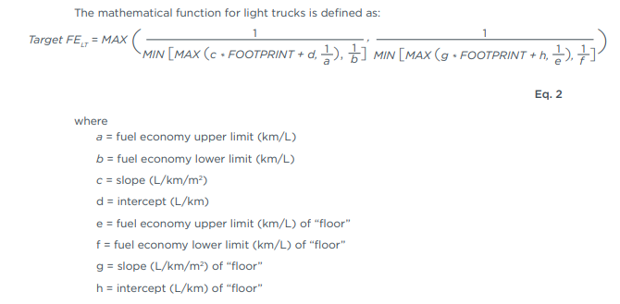

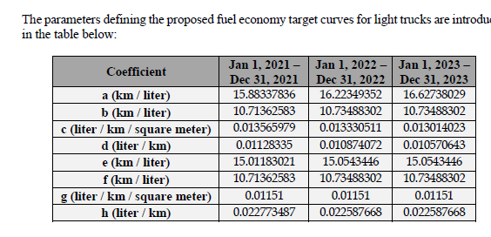

 | 2016 | 2017 | 2018 | 2019 | 2020 | 2021 | 2022 | 2023 | Units
passenger LDVs | 14.2 | 14.5 | 14.9 | 16.7 | 17 | 17.6 | 18.3 | 19.0 | km/L
freight LDVs | 11.4 | 11.7 | 11.9 | 13 | 13.2 | 13.6 | 13.9 | 14.2 | km/L

passenger LDVs | 4.13E-04 | 4.22E-04 | 4.34E-04 | 4.86E-04 | 4.95E-04 | 5.13E-04 | 5.32E-04 | 5.53E-04 | passenger*miles/btu, standard
freight LDVs | 1.47E-04 | 1.51E-04 | 1.53E-04 | 1.68E-04 | 1.70E-04 | 1.75E-04 | 1.79E-04 | 1.83E-04 | ton*miles/btu, standard

passenger LDVs | 3.49E-04 | 3.56E-04 | 3.66E-04 | 4.10E-04 | 4.18E-04 | 4.33E-04 | 4.49E-04 | 4.67E-04 | passenger*miles/btu, on road
freight LDVs | 1.21E-04 | 1.24E-04 | 1.27E-04 | 1.38E-04 | 1.40E-04 | 1.45E-04 | 1.48E-04 | 1.51E-04 | ton*miles/btu, on road

Calculations Etc
Aircraft shares by cargo type
 | 2017 | 2018 | 2019 | 2020 | 2021 | 2022 | 2023 | 2024 | 2025 | 2026 | 2027 | 2028 | 2029 | 2030 | 2031 | 2032 | 2033 | 2034 | 2035 | 2036 | 2037 | 2038 | 2039 | 2040 | 2041 | 2042 | 2043 | 2044 | 2045 | 2046 | 2047 | 2048 | 2049 | 2050
share of active aircraft that are passenger aircraft | 0.94173171087 | 0.94414233209 | 0.94621119984 | 0.9481228705 | 0.95001809584 | 0.95183116479 | 0.95335927592 | 0.95619065604 | 0.95753432786 | 0.95858134698 | 0.9594516582 | 0.96120594372 | 0.96190865084 | 0.96254675335 | 0.96332377068 | 0.96405512559 | 0.96460753135 | 0.96524830999 | 0.96585748559 | 0.96644539745 | 0.9670193842 | 0.96777900277 | 0.96841768877 | 0.96901921716 | 0.96932424829 | 0.96978350294 | 0.97007138793 | 0.97053613888 | 0.9707098269 | 0.97110788936 | 0.9711835769 | 0.97132011134 | 0.97145745137 | 0.97154920342
share of active aircraft that are cargo aircraft | 0.058268289128 | 0.05585766791 | 0.053788800158 | 0.051877129499 | 0.049981904164 | 0.048168835207 | 0.046640724077 | 0.043809343964 | 0.042465672137 | 0.041418653021 | 0.0405483418 | 0.038794056277 | 0.038091349161 | 0.037453246652 | 0.036676229319 | 0.035944874413 | 0.035392468649 | 0.03475169001 | 0.034142514409 | 0.033554602551 | 0.032980615799 | 0.032220997233 | 0.031582311227 | 0.030980782842 | 0.030675751714 | 0.030216497057 | 0.029928612068 | 0.029463861125 | 0.029290173098 | 0.028892110635 | 0.028816423095 | 0.028679888662 | 0.028542548628 | 0.028450796577

Ratios of New Vehicle Fuel Economy to Fleet Average Fuel Economy
 | 2017 | 2018 | 2019 | 2020 | 2021 | 2022 | 2023 | 2024 | 2025 | 2026 | 2027 | 2028 | 2029 | 2030 | 2031 | 2032 | 2033 | 2034 | 2035 | 2036 | 2037 | 2038 | 2039 | 2040 | 2041 | 2042 | 2043 | 2044 | 2045 | 2046 | 2047 | 2048 | 2049 | 2050
aircraft | 1.062427829 | 1.0713394959 | 1.0692204442 | 1.0654125001 | 1.0706248783 | 1.0755981799 | 1.0805194154 | 1.0851364038 | 1.0809244925 | 1.0912886501 | 1.1012083611 | 1.1104534944 | 1.1191971641 | 1.1131215758 | 1.112258396 | 1.1112897746 | 1.1100637159 | 1.1092193352 | 1.1035768853 | 1.1037579934 | 1.1039392404 | 1.1044166481 | 1.1051164242 | 1.1057639808 | 1.1012713132 | 1.097265547 | 1.0935317282 | 1.0898785441 | 1.0868312184 | 1.0835794128 | 1.0807349585 | 1.078441664 | 1.0761362271 | 1.07430531
freight HDVs

Perc Reduction in Fuel Use for Electricity |  |  | Source:
LDVs and motorbikes | 0.686 |  | For sources and calculations, see the variable trans/PTFURfE.
HDVs | 0.689

Perc of Electricity Use for Plug-In Hybrid Vehicles |  |  | Source:
electricity share | 0.55 |  | For source, see the variable BPoEFUbVT.

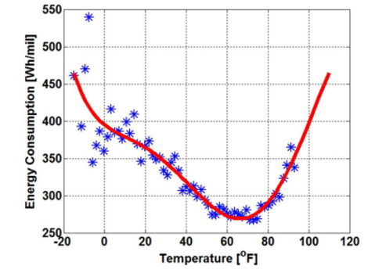
BEV Efficiency Adjustment for Temperature
Riyadh Average temperature (Celcius) | 25.408333333
Riyadh Average temperature (Fahrenheit) | 77.735
Lowest Energy Consumption on Curve (BTU/passenger-mile) | 503.80590604
Riyadh Average Energy Consumption (BTU/passenger-mile) | 549.60644295

Riyadh Monthly Temperatures
January | 14.3
February | 16.8
March | 21.4
April | 25.7
May | 31.1
June | 33.6
July | 34.7
August | 32.6
September | 31.8
October | 26.6
November | 20.6
December | 15.7

Hydrogen vs. Gasoline Efficiency |  |  | Source:
gasoline car efficiency | 20% |  | U.S. Department of Energy Hydrogen Program
hydrogen FCV efficiency | 50% |  | See "About" tab for full bibliographic details.
distance multiplier for hydrogen vehicles | 2.5

Propane (LPG) vs. Gasoline Efficiency |  |  | Source:
reduction in efficiency for propane | 22.5% |  | https://www.sustainablebusinesstoolkit.com/lpg-vs-petrol-vehicles/
distance multiplier for propane vehicles | 0.775 |  | https://afdc.energy.gov/vehicles/propane.html

